SubS
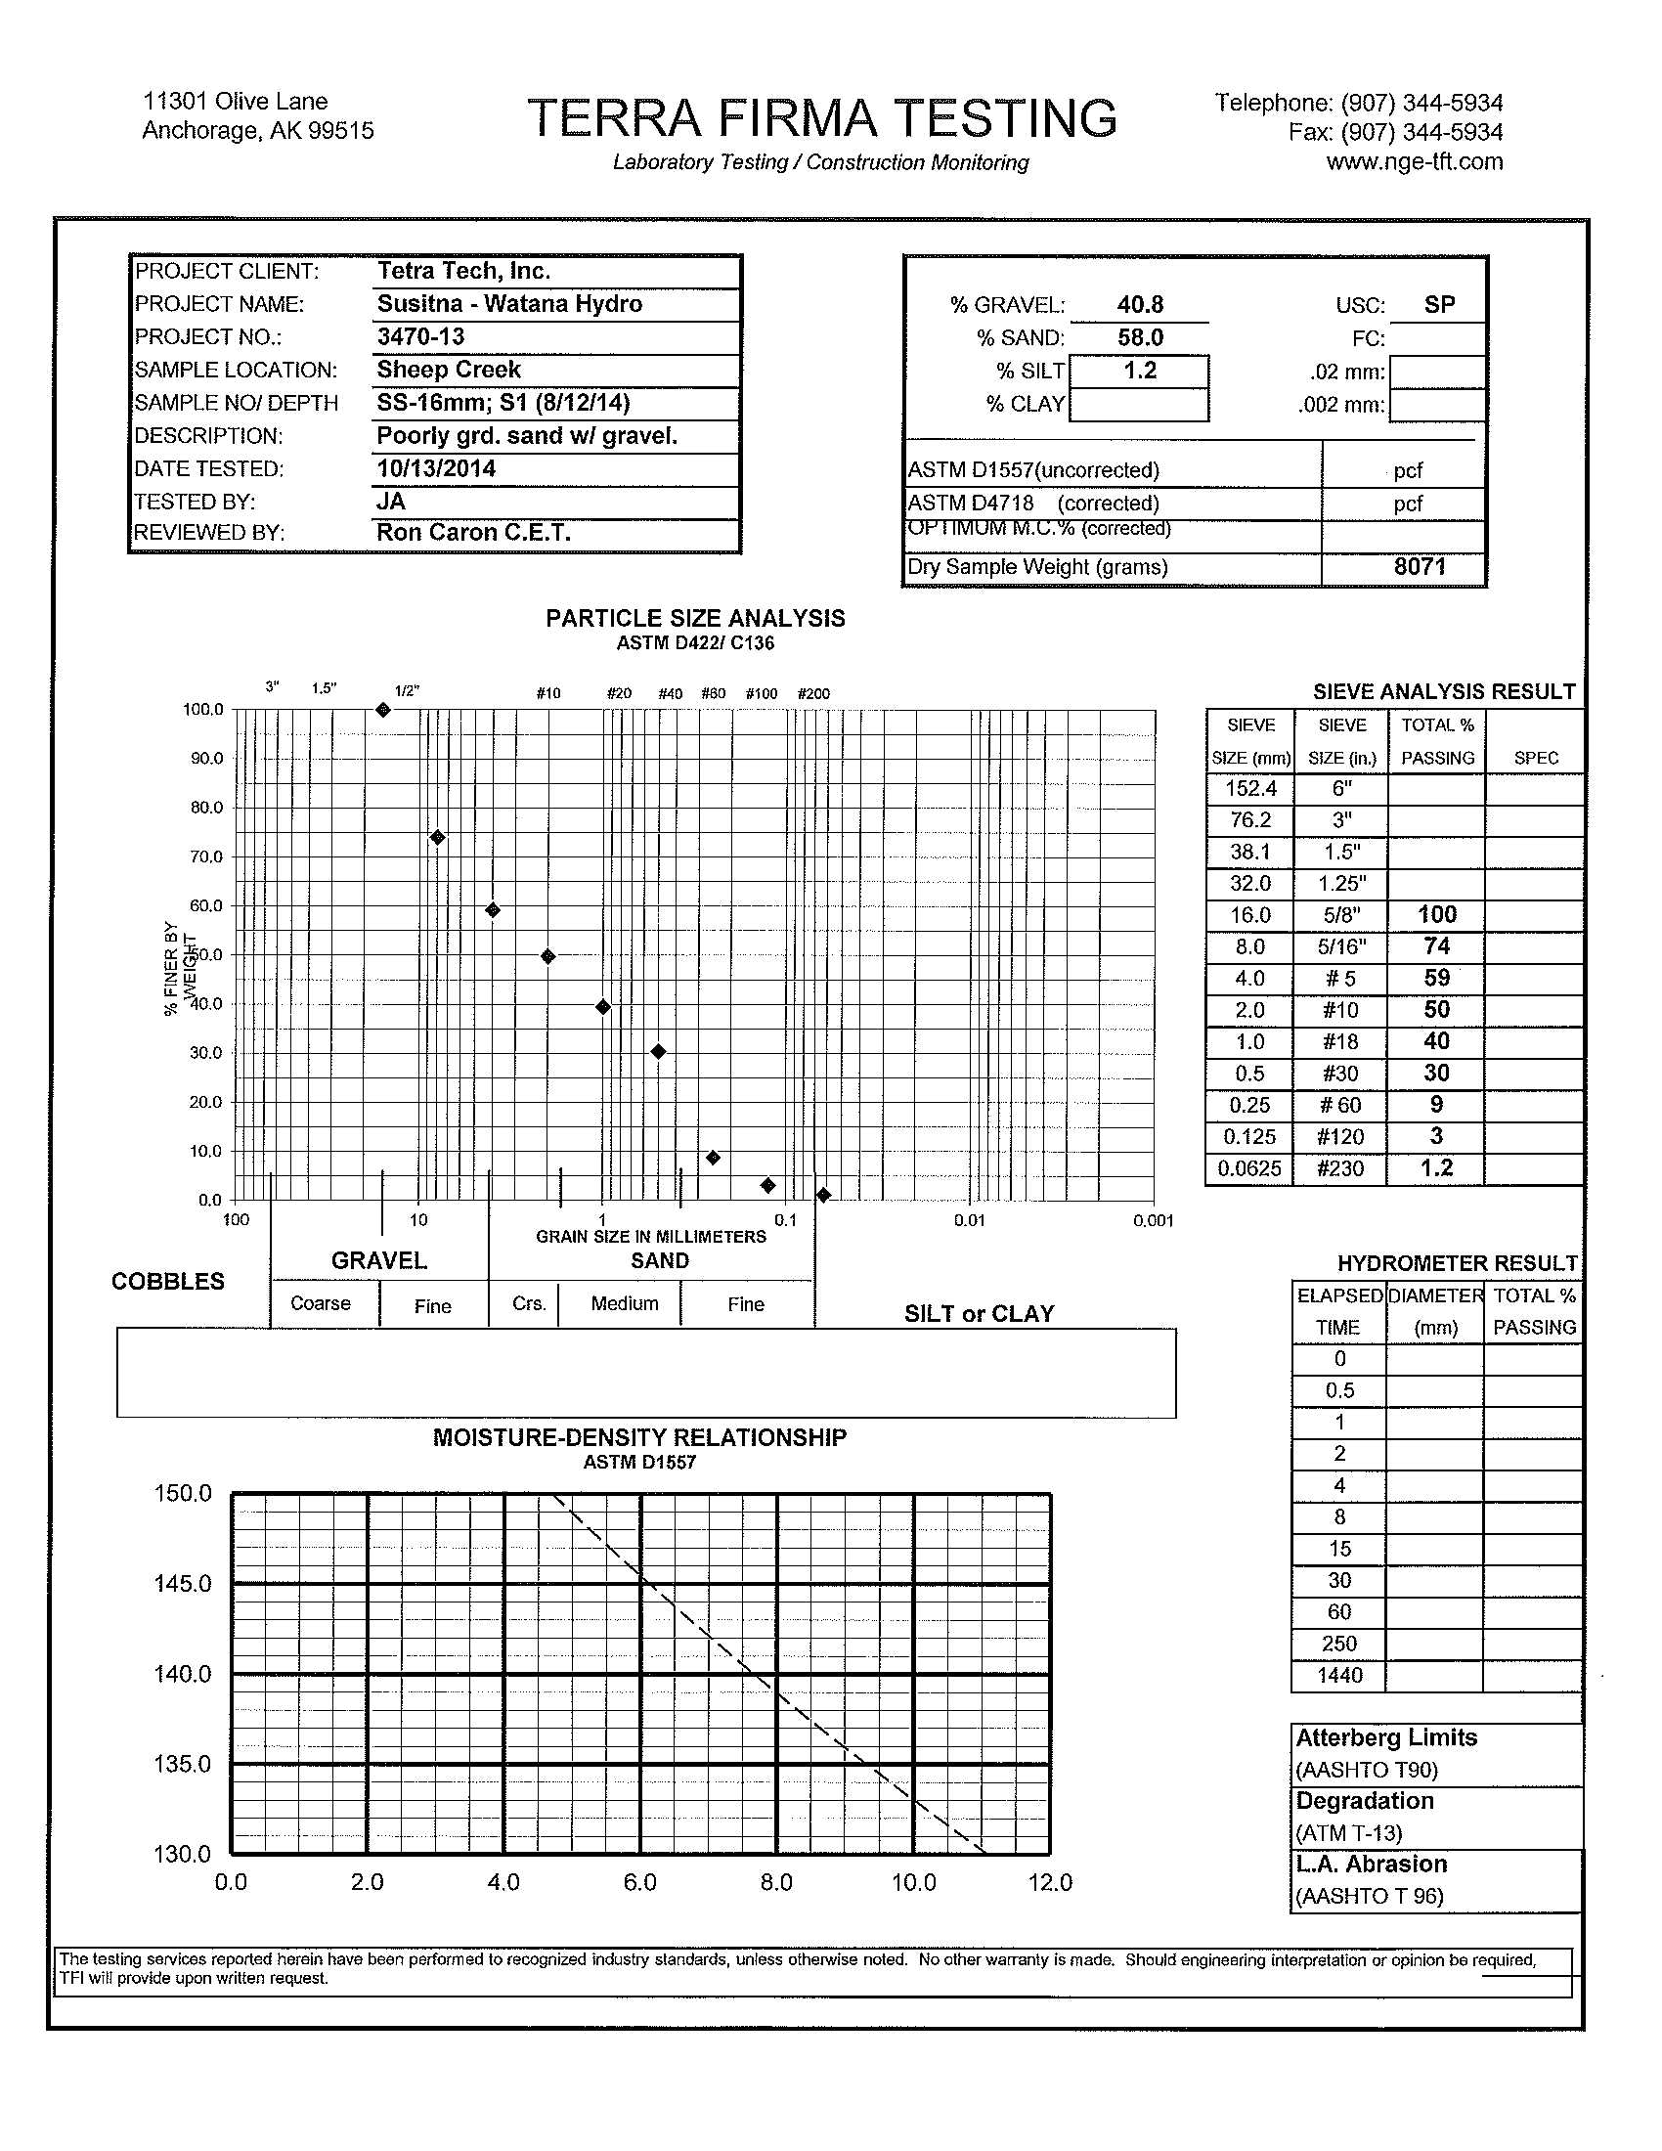
 |  |  |  |  |  |  |  | Results Analysis
Subsurface Field Sieve Data Sheet |  |  |  |  |  |  |  | Wet -16 mm Weight |  | 180.3 | lbs
River: | Sheep Creek |  |  | Crew: | WTF, RET |  |  | Dry -16 mm Weight |  | 8071 | g = | 17.79 | lbs
Date / Time: | 2014-08-12 |  |  | Northing / Lat: |  | 2920808.2 |  | % Moisture |  | 8.8%
Field Book # | WTF |  |  | Easting / Long: |  | 1630608.7
Sample Location: |  | Head of pt. bar |  | Comments: | sample from pt bar along RHS of channel near x-sec SH-22 |  |  |  | Field Sieve Results
Sample Number: |  | S-1
Sample Type: Main Ch Bar Bank Trib Fan Trib Chan |  |  |  |  |  |  |  |  | Raw | Adjusted for Moisture | Cumulative Weight | % Finer Field | %Finer Lab | Adjusted % Finer Lab | Compiled Resuts
 |  |  |  |  |  |  |  | 360.0 | 0 | 0 | 0 | 100% |  |  | 100.00
 |  |  |  |  |  |  |  | 256.0 | 0 | 0 | 0.0 | 100% |  |  | 100.00
Total Sample Weight |  |  |  |  |  |  |  | 180.0 | 0 | 0 | 0.0 | 100% |  |  | 100.00
(1) | (2) | (3) | (4) |  |  |  |  | 128.0 | 0 | 0 | 0.0 | 100% |  |  | 100.00
Bucket # | Bucket Wt (lbs) | Bucket + Sample (lbs) | Sample Wt (lbs) | Excess Water (lbs) |  |  | n/a | 90.0 | 36.1 | 36.1 | 36.1 | 93% |  |  | 92.57
 |  |  | Col 3 - Col 2 |  |  |  |  | 64.0 | 28.5 | 28.5 | 64.6 | 87% |  |  | 86.70
1 | 1.7 | 86.4 | 84.7 |  | NOTE: |  |  | 45.0 | 61.3 | 61.3 | 125.9 | 74% |  |  | 74.09
2 | 1.7 | 91.5 | 89.8 |  | * All photos and locations are documented |  |  | 32.0 | 78.7 | 78.7 | 204.6 | 58% |  |  | 57.89
3 | 1.7 | 87.7 | 86.0 |  | on the Surface Sample Data Sheet |  |  | 22.5 | 66.4 | 66.4 | 271.0 | 44% |  |  | 44.22
4 | 1.7 | 74.3 | 72.6 |  |  |  |  | 16.0 | 50.3 | 50.3 | 321.3 | 34% | 100 | 34% | 33.86
5 | 1.7 | 68.4 | 66.7 |  |  |  |  | 8.0 |  |  |  |  | 74 | 25% | 25.06
6 | 1.7 | 55.2 | 53.5 |  |  |  |  | 4.0 |  |  |  |  | 59 | 20% | 19.98
7 | 1.7 | 48.9 | 47.2 |  |  |  |  | 2.0 |  |  |  |  | 50 | 17% | 16.93
8 |  |  |  |  |  |  |  | 1.0 |  |  |  |  | 40 | 14% | 13.55
9 |  |  |  |  |  |  |  | 0.5 |  |  |  |  | 30 | 10% | 10.16
10 |  |  |  |  |  |  |  | 0.25 |  |  |  |  | 9 | 3% | 3.05
Totals | 11.9 | 512.4 | 500.5 |  |  |  |  | 0.125 |  |  |  |  | 3 | 1% | 1.02
 |  |  |  |  |  |  |  | 0.0625 |  |  |  |  | 1.2 | 0% | 0.41
Retained Weight |  |  |  |  |  |  |  |  | 180.3 | 164.51983518
(1) | (2) | (3) | (4) | (5) | (6) | (7) | (8) |  | 501.6 | 485.81983518
Sieve Size (mm) | Container Wt (lbs) | Wt 1 (lbs) | Wt 2 (lbs) | Total Weight (lbs) (Containers + material) | # of Containers * Container Weight (lbs) | Sediment Weight (lbs) | CumulativeWeight of Samples (lbs)
 |  |  |  |  | # Wts * Col 2 | Col 5 - Col 6 | Sum Vertically | D% | Size (mm)
360 * |  |  |  |  |  | 0 | 0 | 16 | 1.7
256 * |  |  |  |  |  | 0.0 | 0.0 | 50 | 26.1
180 * |  |  |  |  |  | 0.0 | 0.0 | 84 | 59.3
128 * |  |  |  |  |  | 0.0 | 0.0 | 90 | 77.5
90.0* | 1.7 |  |  | 37.8 |  | 36.1 | 36.1
64.0* | 1.7 |  |  | 30.2 |  | 28.5 | 64.6 | Gr | 9.0
45.0 | 1.7 |  |  | 63.0 |  | 61.3 | 125.9 | %Gravel | 83.1
32.0 | 1.7 |  |  | 80.4 |  | 78.7 | 204.6 | %Sand | 16.5
22.5 | 1.7 |  |  | 68.1 |  | 66.4 | 271.0 | %Silt/Clay | 0.4
16.0 | 1.7 |  |  | 52.0 |  | 50.3 | 321.3
8.0
Remainder |  |  |  | 246.3 |  | 180.3 | 501.6
Totals | 10.2 |  |  | 577.8 |  | 501.6 | 501.6
Subsample to lab | 19.5 |  |  |  |  | 19.5
* Larger samples sorted by size using gravelometer

Total Sample Weight - Total Retained Weight |  |  | 500.5-501.6 |  | = | -0.2%
Total Sample Weight |  |  | 500.5

Label Bag and Tag: Date, River, PRM, Sample # (Typically only one sample per site, so sample 1), then sample type "Surface/Subsurface", "Subsurface", "Bank", "Trib Fan" or "Trib Channel" along with “Minus 16" and WP #.

QC1: | WTF |  | Photo Backup # |  | 127 | Page: | 1 of 1

Dist Chart
Sediment Distribution at Sheep Creek SH-1
 | #30 |  | #50 |  |  |  |  |  |  |  |  |  |  |  |  |  |  |  |  |  | Surface Sample Left |  | Surface Sample Center
0.6 | 0 | 0.3 | 0 | 64 | 0 | 0.5 | 0 | 0.25 | 0 | 0.25 | 0 | 0.062 | 0 | 64 | 0 | 2 | 0 | 256 | 0 | 2 | 0 | 2 | 0
0.6 | 50 | 0.3 | 50 | 64 | 50 | 0.5 | 50 | 0.25 | 50 | 0.25 | 50 | 0.062 | 50 | 64 | 50 | 2 | 50 | 256 | 50 | 2.8 | 0 | 2.8 | 0
0.6 | 100 | 0.3 | 100 | 64 | 100 | 0.5 | 100 | 0.25 | 100 | 0.25 | 100 | 0.062 | 100 | 64 | 100 | 2 | 100 | 256 | 100 | 4 | 0 | 4 | 0
 |  |  |  |  |  |  |  |  |  |  |  |  |  |  |  |  |  |  |  | 5.6 | 0 | 5.6 | 0
 |  |  |  |  |  |  |  |  |  |  |  |  |  |  |  |  |  |  |  | 8 | 0 | 8 | 0
 |  |  |  |  |  |  |  |  |  |  |  |  |  |  |  |  |  |  |  | 11 | 3 | 11 | 2
 |  |  |  |  |  |  |  |  |  |  |  |  |  |  |  |  |  |  |  | 16 | 5 | 16 | 6
 |  |  |  |  |  |  |  |  |  |  |  |  |  |  |  |  |  |  |  | 22.5 | 18 | 22.5 | 20
 |  |  |  |  |  |  |  |  |  |  |  |  |  |  |  |  |  |  |  | 32 | 38 | 32 | 39
 |  |  |  |  |  |  |  |  |  |  |  |  |  |  |  |  |  |  |  | 45 | 62 | 45 | 67
 |  |  |  |  |  |  |  |  |  |  |  |  |  |  |  |  |  |  |  | 64 | 80 | 64 | 84
 |  |  |  |  |  |  |  |  |  |  |  |  |  |  |  |  |  |  |  | 90 | 91 | 90 | 94
 |  |  |  |  |  |  |  |  |  |  |  |  |  |  |  |  |  |  |  | 128 | 99 | 128 | 99
 |  |  |  |  |  |  |  |  |  |  |  |  |  |  |  |  |  |  |  | 180 | 100 | 180 | 100
 |  |  |  |  |  |  |  |  |  |  |  |  |  |  |  |  |  |  |  | 256 | 100 | 256 | 100
 |  |  |  |  |  |  |  |  |  |  |  |  |  |  |  |  |  |  |  | 360 | 100 | 360 | 100
 |  |  |  |  |  |  |  |  |  |  |  |  |  |  |  |  |  |  |  | 510 | 100 | 510 | 100
 |  |  |  |  |  |  |  |  |  |  |  |  |  |  |  |  |  |  |  | 720 | 100 | 720 | 100

